Industry costs
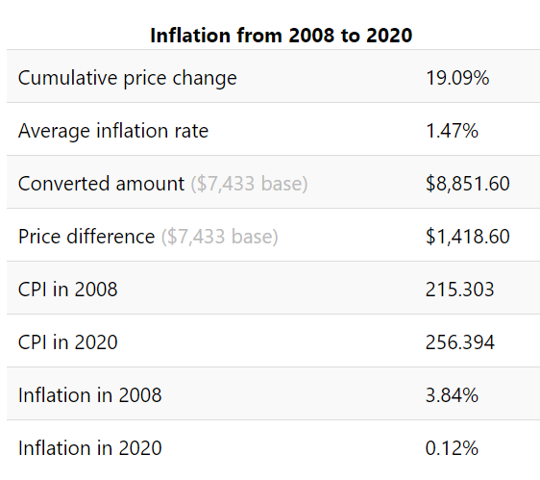
Average device type costs are taken from 2015 EPA RIA Table 3-13 (p. 3-25) and adjusted for inflation to 2020$.
To be conservative in estimating forgone revenue for retailers, the inflation-adjusted 2020$ average price has been increased by ~20%.

 | Appliance type |  | 2008 | 2020 | add 20% | rounded
 | wood stoves |  | $848 | $1,010 | $1,212 | $1,200
 | pellet stoves |  | $1,279 | $1,524 | $1,829 | $1,800
 | furnaces |  | $1,403 | $1,671 | $2,005 | $2,000
 | hydronic heaters |  | $7,433 | $8,852 | $10,622 | $10,600

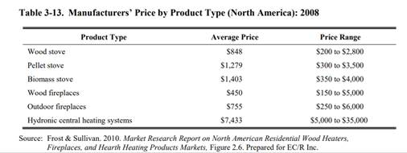
Scenario A
Appliance type | # excess units | Avg price | Forgone revenue
Wood Stoves | 17340 | $1,200 | $20,808,000
Pellet Stoves | 9750 | $1,800 | $17,550,000
Wood Furnace | 5110 | $2,000 | $10,220,000
Hydronic Heaters | 2558 | $10,600 | $27,114,800
Total |  |  | $75,692,800

Scenario B
Appliance type | # excess units | Avg price | Forgone revenue
Wood Stoves | 26010 | $1,200 | $31,212,000
Pellet Stoves | 14625 | $1,800 | $26,325,000
Wood Furnace | 7665 | $2,000 | $15,330,000
Hydronic Heaters | 3837 | $10,600 | $40,672,200
Total |  |  | $113,539,200

Scenario C
Appliance type | # excess units | Avg price | Forgone revenue
Wood Stoves | 26790 | $1,200 | $32,148,240
Pellet Stoves | 19499 | $1,800 | $35,098,560
Wood Furnace | 6132 | $2,000 | $12,263,600
Hydronic Heaters | 3070 | $10,600 | $32,539,880
Total |  |  | $112,050,280

Scenario D
Appliance type | # excess units | Avg price | Forgone revenue
Wood Stoves | 66976 | $1,200 | $80,370,600
Pellet Stoves | 48748 | $1,800 | $87,746,400
Wood Furnace | 15330 | $2,000 | $30,659,000
Hydronic Heaters | 7675 | $10,600 | $81,349,700
Total |  |  | $280,125,700

Scenario A
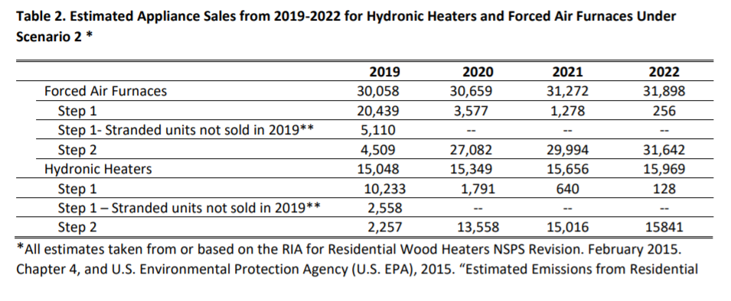
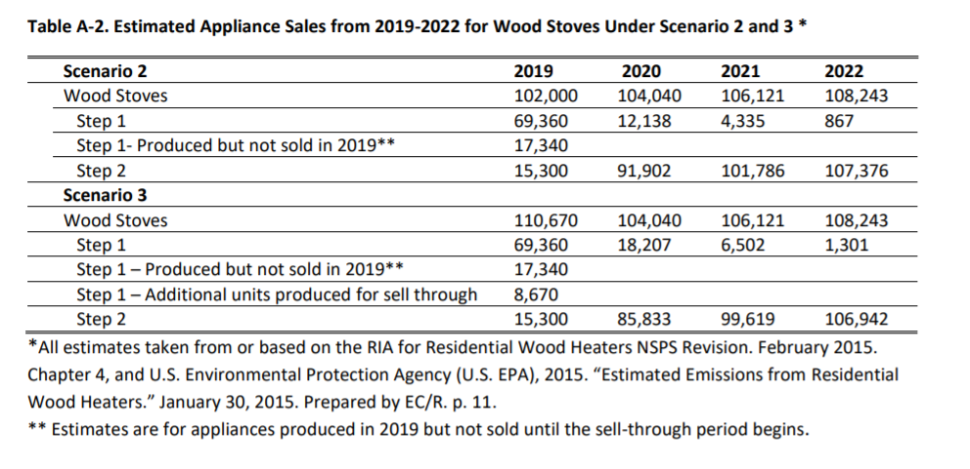
Scenario A
Excess appliances are based on EPA's anticipated stranded Step 1 inventory without manufacturers increasing production in expectation of a sell-through - 2018 Supplemental RIA.
See p. 5, Table 2, and Appendix A, p. 16, Table A-2 (reproduced below).
Available at: | https://www.epa.gov/sites/production/files/2018-11/documents/wood_heaters_proposal_nsps_supp_ria_final.pdf
Note that EPA did not include pellet stoves in its 2018 Supp. RIA.
Scenario A assumes 10% of Step 1 pellet stoves will remain in inventory for the sell-through period based on annual shipments in EPA's 2015 RWH NSPS RIA (EPA-452/R-15-001).

Scenario B
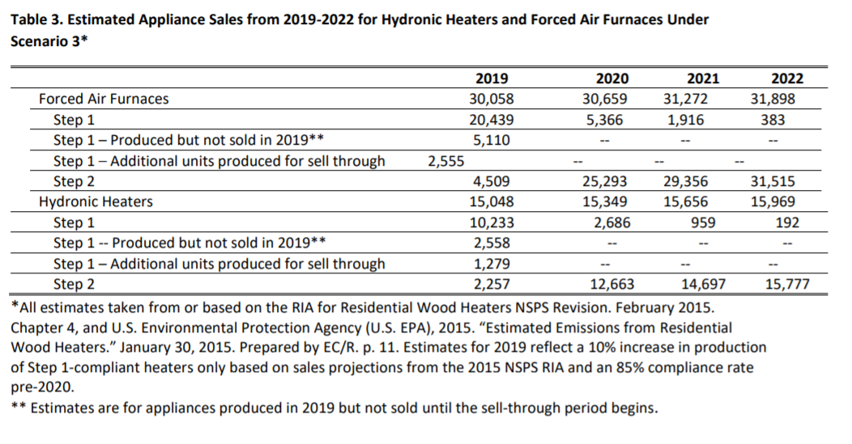
Scenario B
Excess appliances are based on EPA's projected stranded Step 1 inventory assuming manufacturers increase production in expectation of a sell-through - 2018 Supplemental RIA
See p. 5, Table 2, and Appendix A, p. 16, Table A-2 (reproduced below).
Available at: | https://www.epa.gov/sites/production/files/2018-11/documents/wood_heaters_proposal_nsps_supp_ria_final.pdf
Note that EPA did not include pellet stoves in its 2018 Supp. RIA.
Scenario B assumes 15% of Step 1 pellet stoves will remain in inventory for the sell-through period based on annual shipments in EPA's 2015 RWH NSPS RIA (EPA-452/R-15-001).

Scenario C
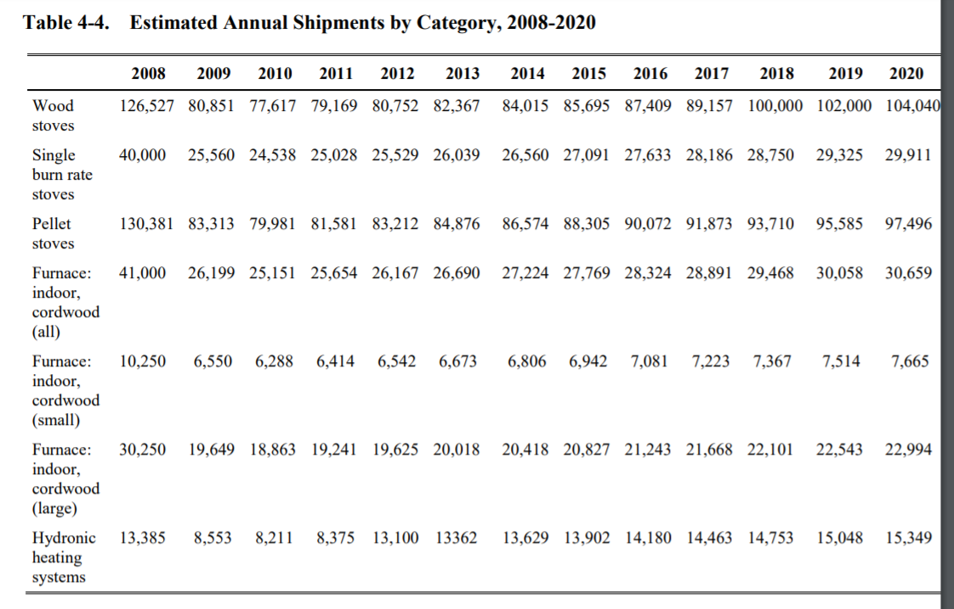
Scenario C
Appliance type | 2020 all sales | 20% of sales
Cordwood Stoves | 133951 | 26790
Pellet Stoves | 97496 | 19499
Forced Air Furnace | 30659 | 6132
Hydronic Heater | 15349 | 3070

Scenario C assumes 20% of all appliance types are available during the sell-through based on annual shipments in EPA's 2015 RWH NSPS RIA (EPA-452/R-15-001)
and an analysis of retailer comments on their stranded inventory from an HPBA survey (last worksheet).
EPA 2015 RWH RIA available at: |  | https://www3.epa.gov/ttnecas1/docs/ria/wood-heaters_ria_final-nsps-revision_2015-02.pdf
See Table 4-4, p. 4-13 (reproduced below)

